Paperwork Envelope
 |  |  | 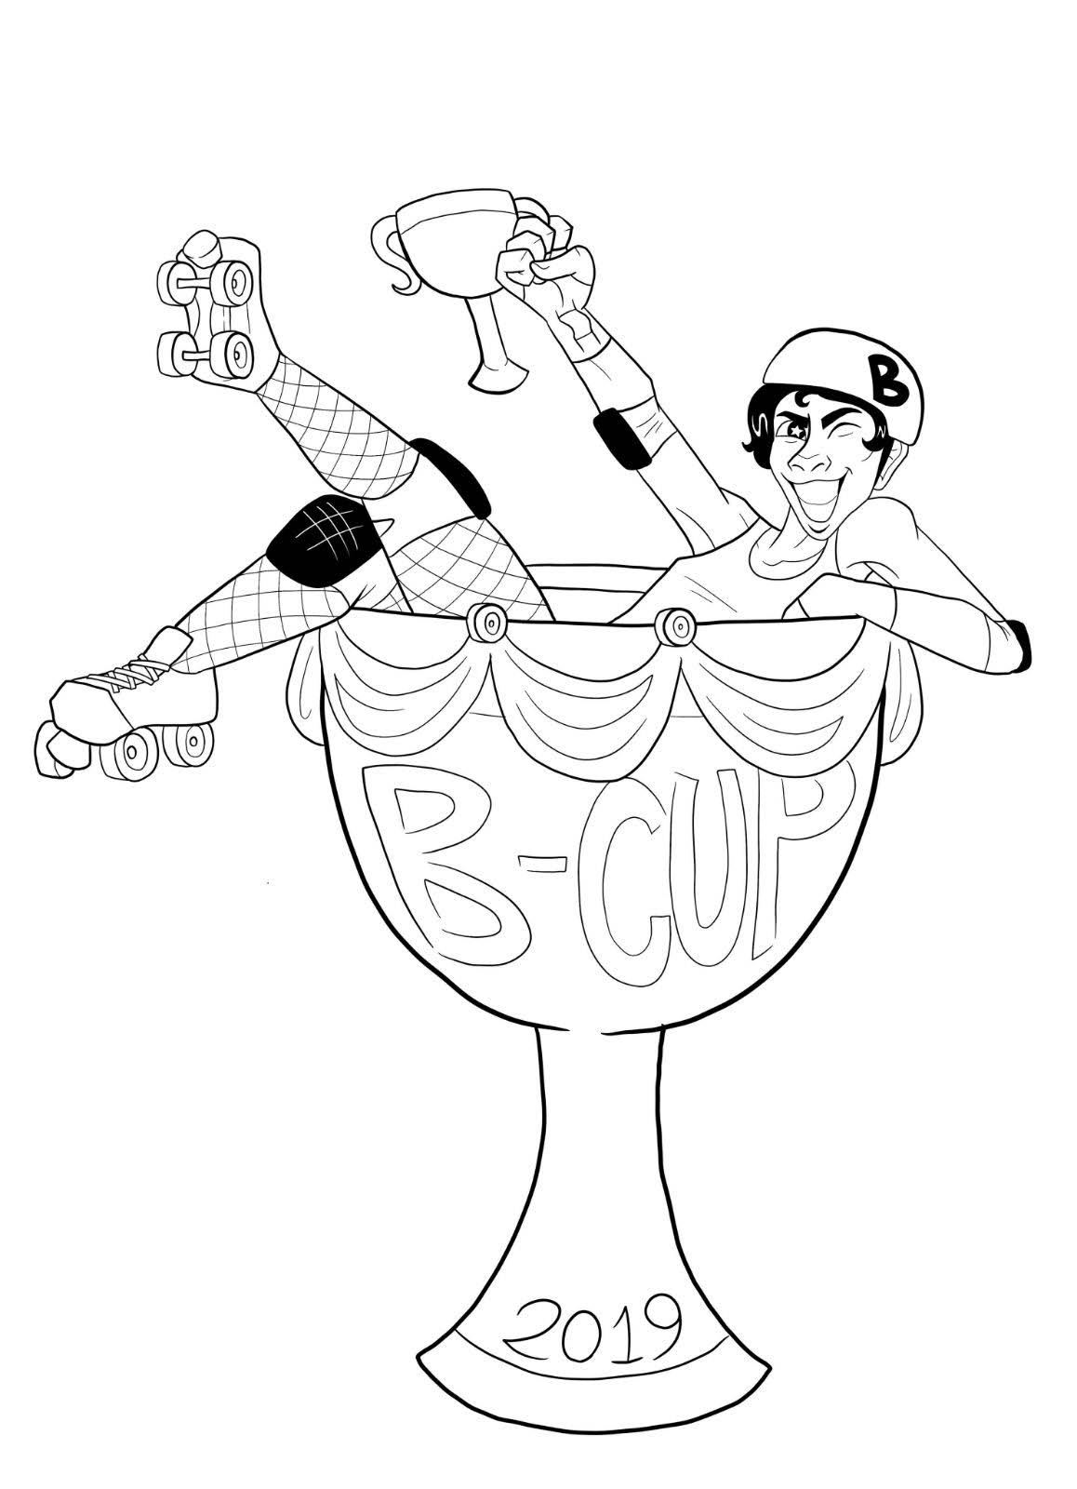
 | Game 9 Sunday @ 09:00 AM

 |  |  | Head NSO: Stabby McNeedles
 |  |  | Head Ref: PackMan
 |  | Nashville Rollergirls / Music City Brawl Stars |  | Bleeding Heartland Roller Derby / Code Blue Assassins

 |  | Score | Penalties | Score | Penalties
 | Period 1
 | Period 2
 | Total

 | Jersey Color | blue |  | red
 | Helmet Cover
 | Captain
 | Designated Alt
 | # of Bench Staff
 | Starting Bench | Jammer Line | Pivot Line | Jammer Line | Pivot Line
 | Roster Notes

□ | Final game rosters submitted:
 | □ | Nashville Rollergirls / Music City Brawl Stars
 | □ | Bleeding Heartland Roller Derby / Code Blue Assassins
□ | Paperwork returned
 | Y / N | Expulsion
 | Y / N | Official Score Adjustment
□ | StatsBook Data Entered
□ | StatsBook Submitted

